Sheet1
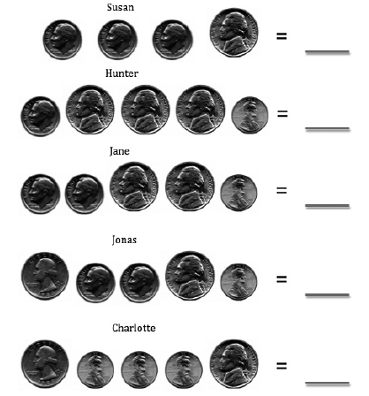

Student | Change Collected
Susan
Hunter
Jane
Jonas
Charlotte
Chart Title
 | Change Collected
Susan
Hunter
Jane
Jonas
Charlotte

