Sheet1
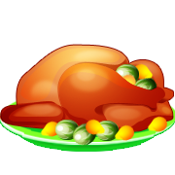

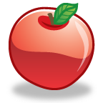
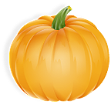

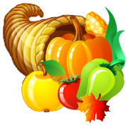



Sheet2
 | Turkey | Pumpkin Pie | Apple | Cornucopia | Pumpkin
Quantity Shown

Practice Graph: Number of Autumn Objects Shown on Sheet 1 by
 | Quantity Shown
Turkey
Pumpkin Pie
Apple
Cornucopia
Pumpkin

